COORDENADAS
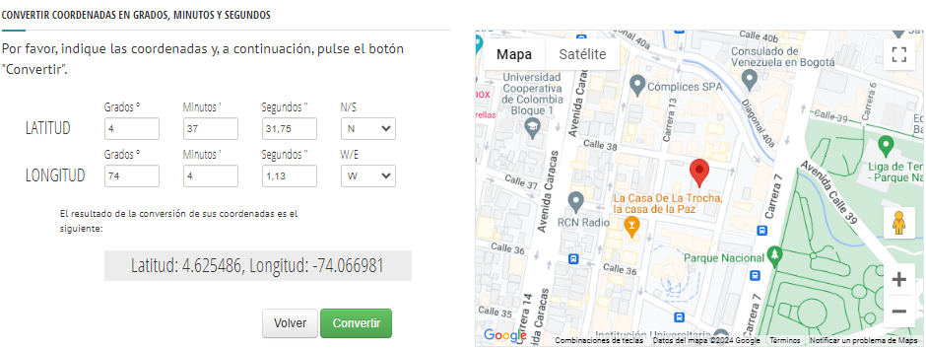
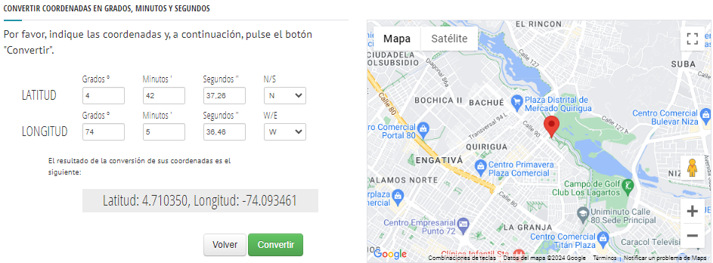
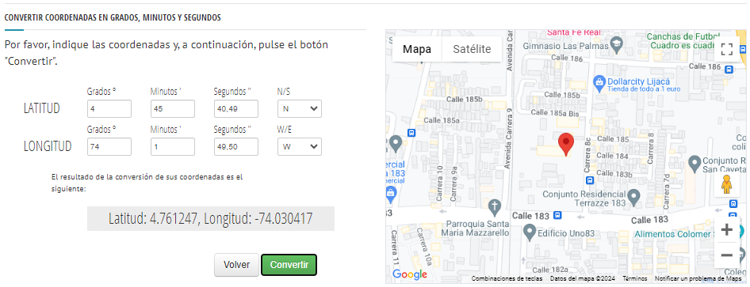
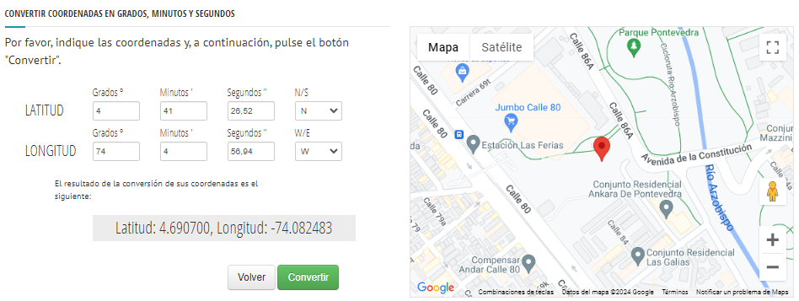
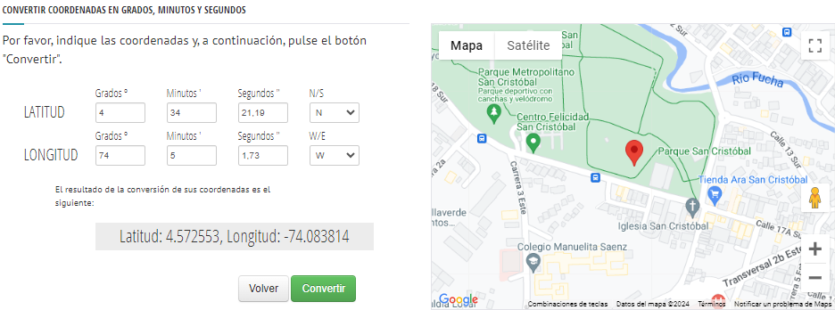
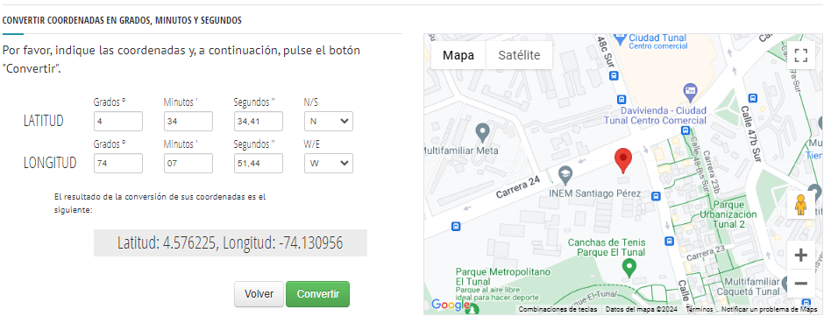
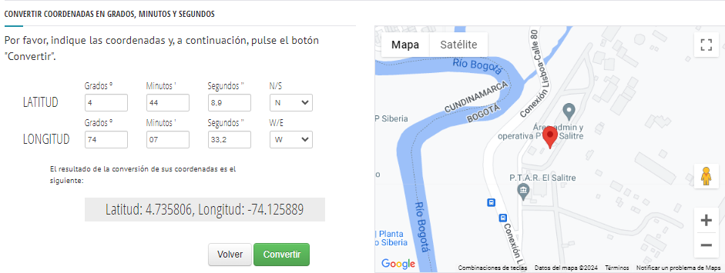
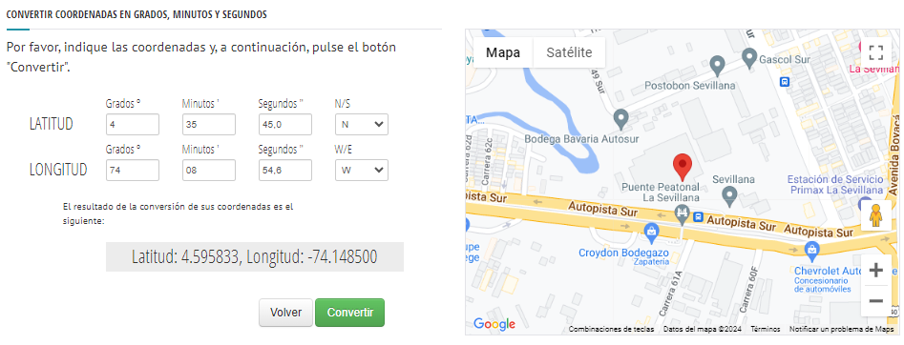
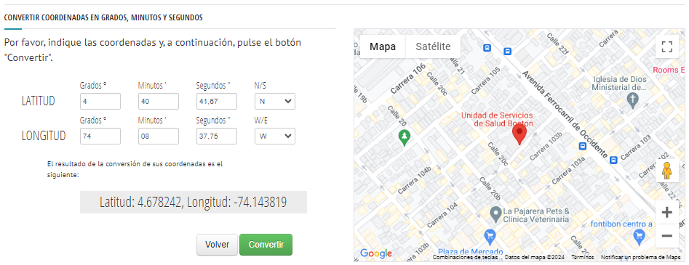
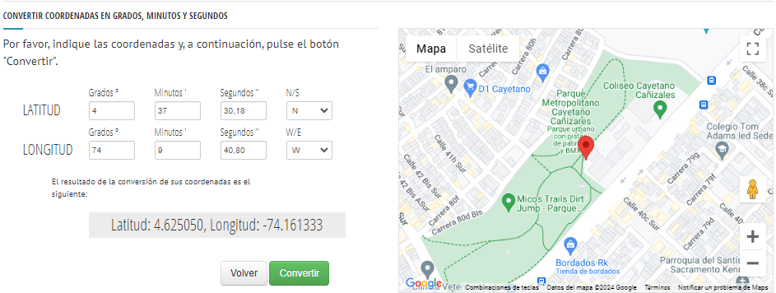
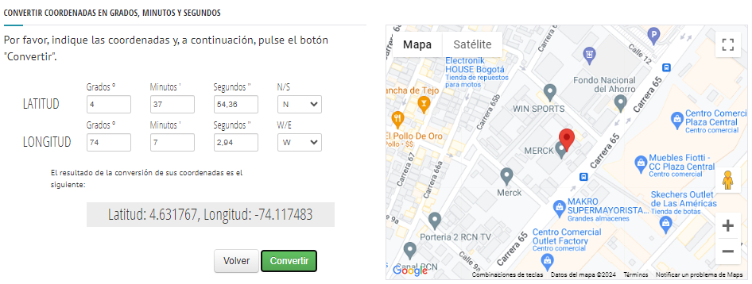
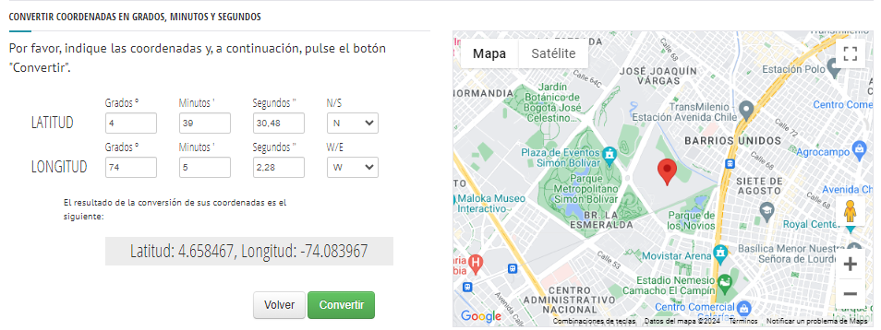
http://maps.marnoto.com/es/conversor-coordenadas/#

geometry_1 | geometry | latitud_g | longitud_g
POINT (-74.044139 4.78375) | POLYGON ((-74.044139 4.78375)) | 4°47'01.5"N | 74°02'38.9"W
POINT (-74.066981 4.625486) | POLYGON ((-74.066981 4.625486)) | 4°37'31.75"N | 74°4'1.13"W
POINT (-74.093461 4.71035) | POLYGON ((-74.093461 4.71035)) | 4°42'37.26"N | 74° 5'36.46"W
POINT (-74.030417 4.761247) | POLYGON ((-74.030417 4.761247)) | 4°45'40.49"N | 74°1'49.50"W
POINT (-74.082483 4.6907) | POLYGON ((-74.082483 4.6907)) | 4°41'26.52"N | 74°4'56.94""W
POINT (-74.083814 4.572553) | POLYGON ((-74.083814 4.572553)) | 4°34'21.19"N | 74°5'1.73"W
POINT (-74.30956 4.576225) | POLYGON ((-74.30956 4.576225)) | 4°34'34.41"N | 74°7'51.44"W
POINT (-74.125889 4.735806) | POLYGON ((-74.125889 4.735806)) | 4°44'08.9"N | 74°07'33.2"W
POINT (-74.1485 4.595833) | POLYGON ((-74.1485 4.595833)) | 4°35'45.0"N | 74°08'54.6"W
POINT (-74.143819 4.678242) | POLYGON ((-74.143819 4.678242)) | 4°40'41.67"N | 74°8'37.75"W
POINT (-74.161333 4.62505) | POLYGON ((-74.161333 4.62505)) | 4°37'30.18"N | 74°9'40.80"W
POINT (-74.117483 4.631767) | POLYGON ((-74.117483 4.631767)) | 4°37'54.36"N | 74°7'2.94"W
POINT (-74.083967 4.658467) | POLYGON ((-74.083967 4.658467)) | 4°39'30.48"N | 74°5'2.28"W

